GHA quad
Farm Segmentation along Farm Types (5-class) and Spatial Quadrants

The quadrant typology uses GAEZ suitability and travel time to 100k market sizes (<= 4 hrs)
This spatial typology is fixed in time.

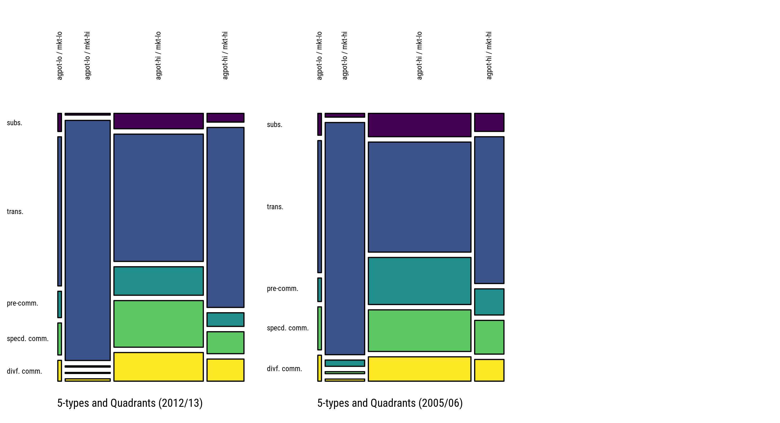

Tab. 3.6: Est. Proportions of Farm Holdings across Types and Quadrants (GLSS6, 2012/13, percent, all farm sizes)
 |  | Farm Types
Quadrant |  | subs. | trans. | pre-comm. | specd. comm. | divf. comm.
agpot-lo / mkt-lo | mean | 0.2 | 0.9 | 0.5 | 0.5 | 0.4
 | CI | 0.1 - 0.4 | 0.4 - 1.3 | 0.1 - 0.8 | 0.2 - 0.9 | 0.2 - 0.6
agpot-lo / mkt-hi | mean | 0.1 | 3.1 | 0.3 | 0.2 | 0.5
 | CI | 0.0 - 0.2 | 1.7 - 4.5 | 0.0 - 0.6 | 0.0 - 0.4 | 0.0 - 1.0
agpot-hi / mkt-lo | mean | 5.9 | 23.8 | 11.9 | 19.5 | 12
 | CI | 5.0 - 6.9 | 21.3 - 26.2 | 10.5 - 13.4 | 17.6 - 21.5 | 10.4 - 13.6
agpot-hi / mkt-hi | mean | 1.1 | 9.2 | 2.4 | 3.8 | 3.8
 | CI | 0.7 - 1.4 | 7.4 - 10.9 | 1.7 - 3.1 | 2.8 - 4.8 | 2.8 - 4.8

Tab. 3.7: Est. Proportions of Farm Holdings across Types and Quadrants (GLSS5, 2005/06, percent, all farm sizes)
 |  | Farm Types
Quadrant |  | subs. | trans. | pre-comm. | specd. comm. | divf. comm.
agpot-lo / mkt-lo | mean | 0.3 | 1 | 0.3 | 0.6 | 0.4
 | CI | 0.1 - 0.5 | 0.3 - 1.6 | 0.1 - 0.6 | 0.1 - 1.0 | 0.0 - 0.7
agpot-lo / mkt-hi | mean | 0.3 | 3.6 | 0.9 | 0.3 | 0.3
 | CI | 0.0 - 0.7 | 2.5 - 4.8 | 0.0 - 2.0 | 0.0 - 0.6 | 0.0 - 0.6
agpot-hi / mkt-lo | mean | 8.3 | 23.1 | 18 | 16 | 9.3
 | CI | 7.0 - 9.5 | 20.5 - 25.7 | 16.0 - 20.1 | 13.8 - 18.1 | 7.9 - 10.8
agpot-hi / mkt-hi | mean | 1.7 | 6.7 | 2.9 | 3.7 | 2.4
 | CI | 1.0 - 2.3 | 5.0 - 8.4 | 1.9 - 3.8 | 2.4 - 5.0 | 1.6 - 3.2

TZA 9-class
3x3 Farm Classification (Tanzania, 2012/13, 2010/11, 2008/09)
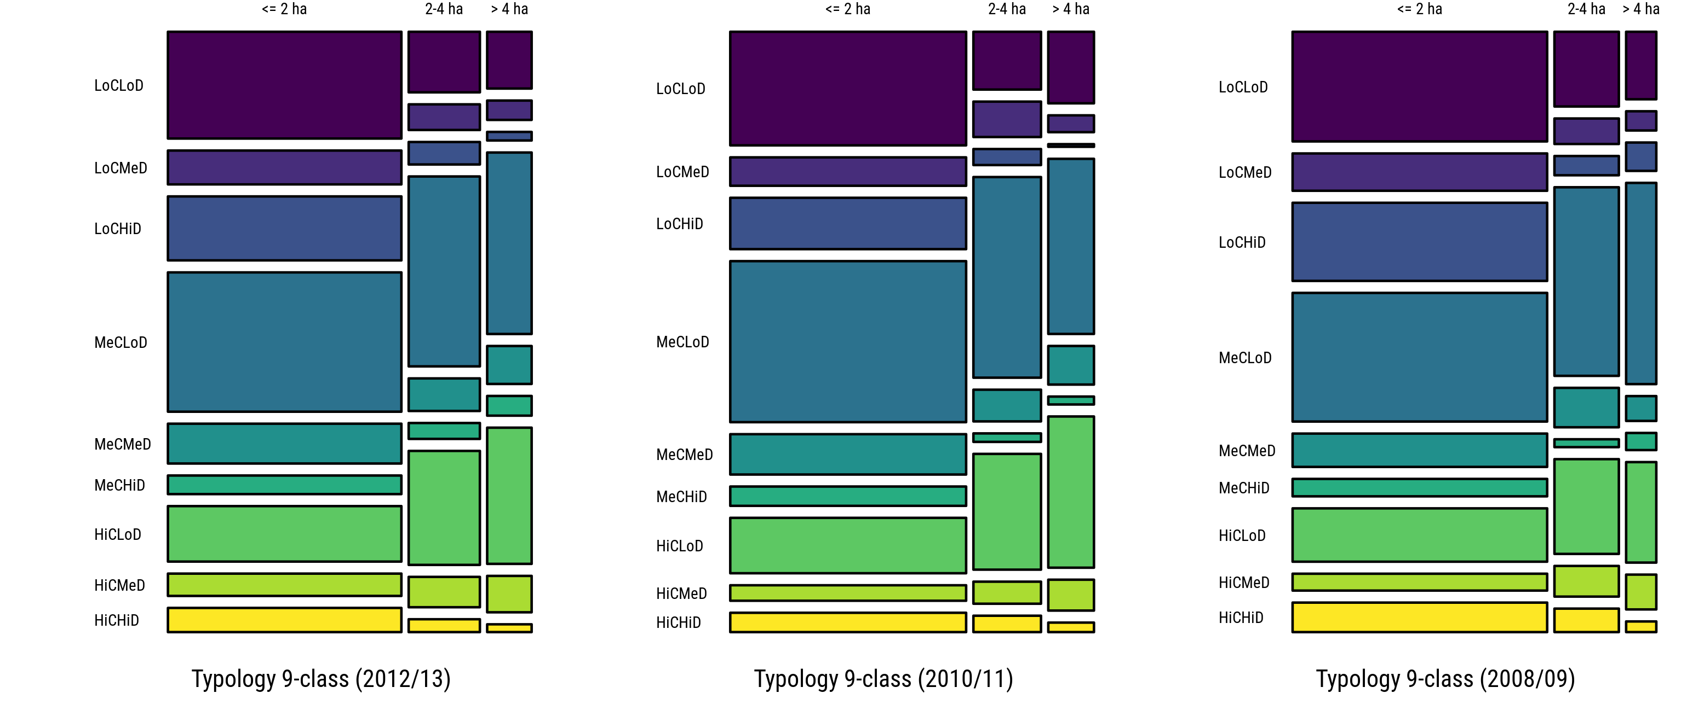

Tab. 4.2: Est. Proportions of Farm Holdings across Categories (TNPS3, 2012/13, percent)
 |  | Crop Commercialization
 |  | ≤ 2 ha |  |  | 2-4 ha |  |  | > 4 ha
Income Diversification |  | LoC | MeC | HiC | LoC | MeC | HiC | LoC | MeC | HiC
LoD | mean | 14.2 | 18.5 | 7.4 | 2.5 | 7.7 | 4.6 | 1.4 | 4.6 | 3.4
 | CI | 12.0 - 16.4 | 16.3 - 20.6 | 6.1 - 8.6 | 1.7 - 3.2 | 6.5 - 8.9 | 3.6 - 5.7 | 0.7 - 2.1 | 3.6 - 5.6 | 2.6 - 4.3
MeD | mean | 4.5 | 5.3 | 3 | 1 | 1.3 | 1.2 | 0.5 | 1 | 0.9
 | CI | 3.5 - 5.4 | 4.3 - 6.3 | 2.1 - 3.8 | 0.6 - 1.5 | 0.9 - 1.8 | 0.7 - 1.7 | 0.2 - 0.8 | 0.6 - 1.4 | 0.5 - 1.3
HiD | mean | 8.5 | 2.5 | 3.2 | 0.9 | 0.6 | 0.5 | 0.2 | 0.5 | 0.2
 | CI | 7.1 - 9.9 | 1.7 - 3.2 | 2.3 - 4.1 | 0.4 - 1.4 | 0.3 - 1.0 | 0.3 - 0.8 | 0.0 - 0.4 | 0.2 - 0.8 | 0.1 - 0.3

Tab. 4.3: Est. Proportions of Farm Holdings across Categories (TNPS2, 2010/11, percent)
 |  | Crop Commercialization
 |  | ≤ 2 ha |  |  | 2-4 ha |  |  | > 4 ha
Income Diversification |  | LoC | MeC | HiC | LoC | MeC | HiC | LoC | MeC | HiC
LoD | mean | 15.2 | 21.6 | 7.4 | 2.2 | 7.7 | 4.4 | 1.9 | 4.5 | 3.9
 | CI | 13.0 - 17.4 | 19.2 - 23.9 | 6.1 - 8.8 | 1.6 - 2.9 | 6.3 - 9.1 | 3.3 - 5.5 | 1.2 - 2.5 | 3.4 - 5.7 | 2.9 - 4.9
MeD | mean | 3.8 | 5.4 | 2.1 | 1.4 | 1.2 | 0.8 | 0.4 | 1 | 0.8
 | CI | 2.8 - 4.8 | 4.3 - 6.6 | 1.4 - 2.7 | 0.8 - 2.0 | 0.7 - 1.7 | 0.4 - 1.3 | 0.1 - 0.8 | 0.5 - 1.5 | 0.4 - 1.2
HiD | mean | 6.9 | 2.6 | 2.6 | 0.6 | 0.3 | 0.6 | 0.1 | 0.2 | 0.2
 | CI | 5.5 - 8.3 | 1.8 - 3.3 | 1.7 - 3.5 | 0.3 - 1.0 | 0.0 - 0.6 | 0.3 - 1.0 | 0.0 - 0.2 | 0.0 - 0.4 | 0.0 - 0.4

Tab. 4.4: Est. Proportions of Farm Holdings across Categories (TNPS1, 2008/09, percent)
 |  | Crop Commercialization
 |  | ≤ 2 ha |  |  | 2-4 ha |  |  | > 4 ha
Income Diversification |  | LoC | MeC | HiC | LoC | MeC | HiC | LoC | MeC | HiC
LoD | mean | 15.9 | 18.6 | 7.7 | 2.7 | 6.9 | 3.5 | 1.2 | 3.4 | 1.7
 | CI | 14.1 - 17.7 | 16.5 - 20.7 | 6.4 - 9.0 | 1.9 - 3.6 | 5.7 - 8.1 | 2.6 - 4.3 | 0.6 - 1.7 | 2.6 - 4.3 | 1.1 - 2.4
MeD | mean | 5.4 | 4.8 | 2.4 | 0.9 | 1.4 | 1.1 | 0.3 | 0.4 | 0.6
 | CI | 4.3 - 6.5 | 3.8 - 5.8 | 1.7 - 3.1 | 0.5 - 1.3 | 0.9 - 2.0 | 0.7 - 1.6 | 0.0 - 0.6 | 0.1 - 0.7 | 0.2 - 1.0
HiD | mean | 11.3 | 2.5 | 4.3 | 0.7 | 0.3 | 0.9 | 0.5 | 0.3 | 0.2
 | CI | 9.7 - 12.9 | 1.8 - 3.2 | 3.3 - 5.2 | 0.3 - 1.1 | 0.1 - 0.5 | 0.4 - 1.3 | 0.2 - 0.8 | 0.1 - 0.5 | 0.0 - 0.3

TZA 5-class
Simplified Farm Classification (5-class) (Tanzania, 2012/13, 2010/11, 2008/09)
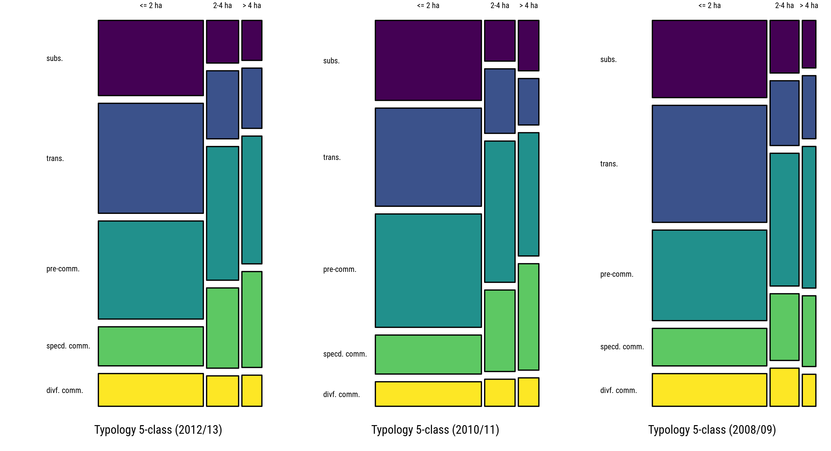

Tab. 4.2: Est. Proportions of Farm Holdings across Categories (TNPS3, 2012/13, percent)
 |  | Farm Types
Farm Size |  | subs. | trans. | pre-comm. | specd. comm. | divf. comm.
≤ 2 ha | mean | 14.2 | 20.7 | 18.5 | 7.4 | 6.2
 | CI | 12.0 - 16.4 | 18.6 - 22.8 | 16.3 - 20.6 | 6.1 - 8.6 | 4.9 - 7.4
2-4 ha | mean | 2.5 | 3.9 | 7.7 | 4.6 | 1.7
 | CI | 1.7 - 3.2 | 3.0 - 4.9 | 6.5 - 8.9 | 3.6 - 5.7 | 1.2 - 2.3
> 4 ha | mean | 1.4 | 2.2 | 4.6 | 3.4 | 1.1
 | CI | 0.7 - 2.1 | 1.5 - 2.8 | 3.6 - 5.6 | 2.6 - 4.3 | 0.7 - 1.6

Tab. 4.3: Est. Proportions of Farm Holdings across Categories (TNPS2, 2010/11, percent)
 |  | Farm Types
Farm Size |  | subs. | trans. | pre-comm. | specd. comm. | divf. comm.
≤ 2 ha | mean | 15.2 | 18.7 | 21.6 | 7.4 | 4.7
 | CI | 13.0 - 17.4 | 16.5 - 20.8 | 19.2 - 23.9 | 6.1 - 8.8 | 3.5 - 5.9
2-4 ha | mean | 2.2 | 3.5 | 7.7 | 4.4 | 1.5
 | CI | 1.6 - 2.9 | 2.5 - 4.5 | 6.3 - 9.1 | 3.3 - 5.5 | 0.9 - 2.0
> 4 ha | mean | 1.9 | 1.7 | 4.5 | 3.9 | 1
 | CI | 1.2 - 2.5 | 1.1 - 2.4 | 3.4 - 5.7 | 2.9 - 4.9 | 0.6 - 1.5

Tab. 4.4: Est. Proportions of Farm Holdings across Categories (TNPS1, 2008/09, percent)
 |  | Farm Types
Farm Size |  | subs. | trans. | pre-comm. | specd. comm. | divf. comm.
≤ 2 ha | mean | 15.9 | 24 | 18.6 | 7.7 | 6.7
 | CI | 14.1 - 17.7 | 21.9 - 26.2 | 16.5 - 20.7 | 6.4 - 9.0 | 5.5 - 7.9
2-4 ha | mean | 2.7 | 3.4 | 6.9 | 3.5 | 2
 | CI | 1.9 - 3.6 | 2.6 - 4.1 | 5.7 - 8.1 | 2.6 - 4.3 | 1.4 - 2.6
> 4 ha | mean | 1.2 | 1.5 | 3.4 | 1.7 | 0.8
 | CI | 0.6 - 1.7 | 0.9 - 2.1 | 2.6 - 4.3 | 1.1 - 2.4 | 0.4 - 1.2

TZA quad
Farm Segmentation along Farm Types (5-class) and Spatial Quadrants

The quadrant typology uses GAEZ suitability and travel time to 100k market sizes (<= 4 hrs)
This spatial typology is fixed in time.

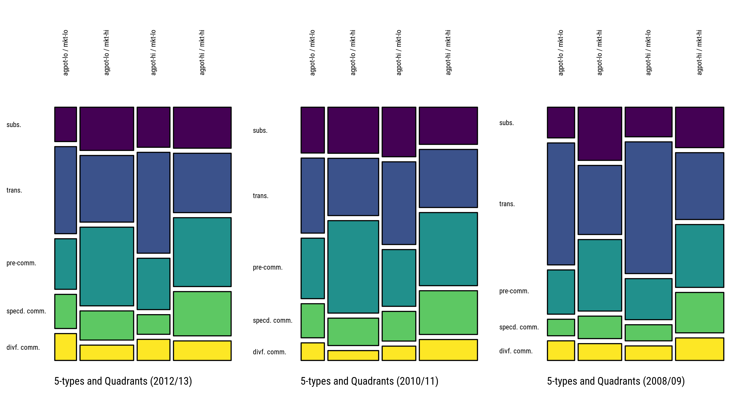

Tab. 3.6: Est. Proportions of Farm Holdings across Types and Quadrants (TNPS3, 2012/13, percent, all farm sizes)
 |  | Farm Types
Quadrant |  | subs. | trans. | pre-comm. | specd. comm. | divf. comm.
agpot-lo / mkt-lo | mean | 1.8 | 4.2 | 3.1 | 2.1 | 1.6
 | CI | 1.0 - 2.7 | 2.7 - 5.8 | 1.7 - 4.4 | 1.1 - 3.0 | 0.8 - 2.5
agpot-lo / mkt-hi | mean | 6.2 | 8.1 | 11.8 | 4.4 | 2.3
 | CI | 4.4 - 8.0 | 6.3 - 9.8 | 9.4 - 14.2 | 3.1 - 5.6 | 1.4 - 3.2
agpot-hi / mkt-lo | mean | 3.6 | 6.7 | 4.7 | 1.8 | 1.9
 | CI | 2.0 - 5.2 | 4.7 - 8.6 | 3.1 - 6.3 | 1.0 - 2.6 | 1.2 - 2.7
agpot-hi / mkt-hi | mean | 6.4 | 7.8 | 11.1 | 7.1 | 3.2
 | CI | 4.6 - 8.2 | 6.0 - 9.6 | 8.9 - 13.4 | 5.4 - 8.9 | 2.3 - 4.0

Tab. 3.7: Est. Proportions of Farm Holdings across Types and Quadrants (TNPS2, 2010/2011, percent, all farm sizes)
 |  | Farm Types
Quadrant |  | subs. | trans. | pre-comm. | specd. comm. | divf. comm.
agpot-lo / mkt-lo | mean | 2.8 | 3.8 | 3.9 | 2.2 | 1.1
 | CI | 1.6 - 4.0 | 2.4 - 5.2 | 2.2 - 5.5 | 1.1 - 3.3 | 0.4 - 1.8
agpot-lo / mkt-hi | mean | 6.2 | 7.1 | 12.9 | 3.8 | 1.4
 | CI | 4.5 - 8.0 | 5.2 - 9.0 | 10.1 - 15.8 | 2.7 - 5.0 | 0.8 - 2.0
agpot-hi / mkt-lo | mean | 4.4 | 5.5 | 5.3 | 2.8 | 1.3
 | CI | 2.7 - 6.1 | 3.8 - 7.1 | 3.4 - 7.1 | 1.6 - 3.9 | 0.7 - 1.9
agpot-hi / mkt-hi | mean | 5.8 | 7.5 | 11.7 | 7 | 3.4
 | CI | 4.0 - 7.6 | 5.7 - 9.4 | 9.2 - 14.3 | 5.3 - 8.7 | 2.3 - 4.4

Tab. 4.6: Est. Proportions of Farm Holdings across Types and Quadrants (TNPS1, 2008/09, percent)
 |  | Farm Types
Quadrant |  | subs. | trans. | pre-comm. | specd. comm. | divf. comm.
agpot-lo / mkt-lo | mean | 2.5 | 5.2 | 3.8 | 1.4 | 1.7
 | CI | 1.4 - 3.6 | 3.6 - 6.8 | 2.2 - 5.3 | 0.8 - 2.0 | 0.9 - 2.4
agpot-lo / mkt-hi | mean | 7.1 | 7.8 | 9.7 | 3.1 | 2.3
 | CI | 5.4 - 8.8 | 6.0 - 9.7 | 7.6 - 11.8 | 2.0 - 4.2 | 1.4 - 3.2
agpot-hi / mkt-lo | mean | 4.2 | 7.9 | 6 | 2.4 | 2.1
 | CI | 2.8 - 5.5 | 6.0 - 9.7 | 4.2 - 7.9 | 1.5 - 3.2 | 1.3 - 3.0
agpot-hi / mkt-hi | mean | 6 | 8 | 9.5 | 6.1 | 3.4
 | CI | 4.2 - 7.7 | 6.1 - 10.0 | 7.3 - 11.6 | 4.5 - 7.7 | 2.4 - 4.4

